JELASKAN sKENRIONYA DONG YANG i
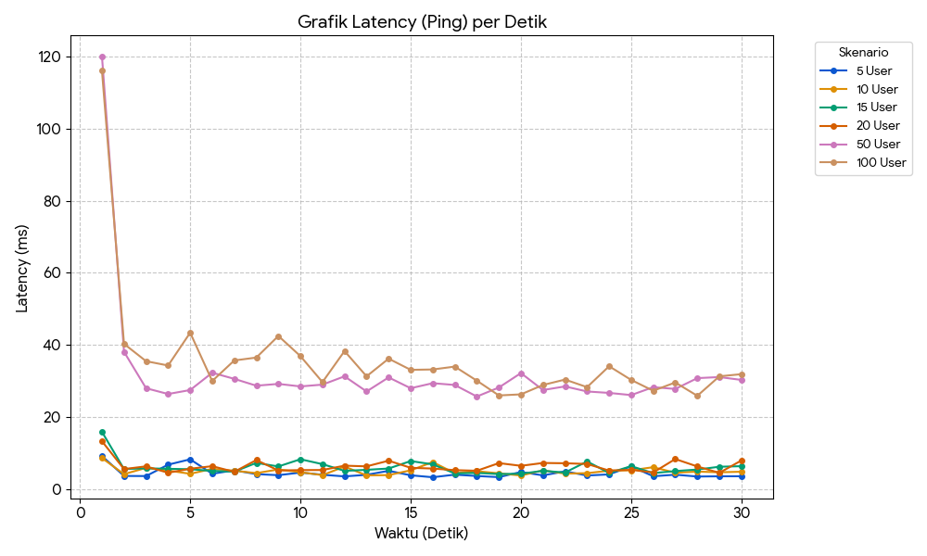
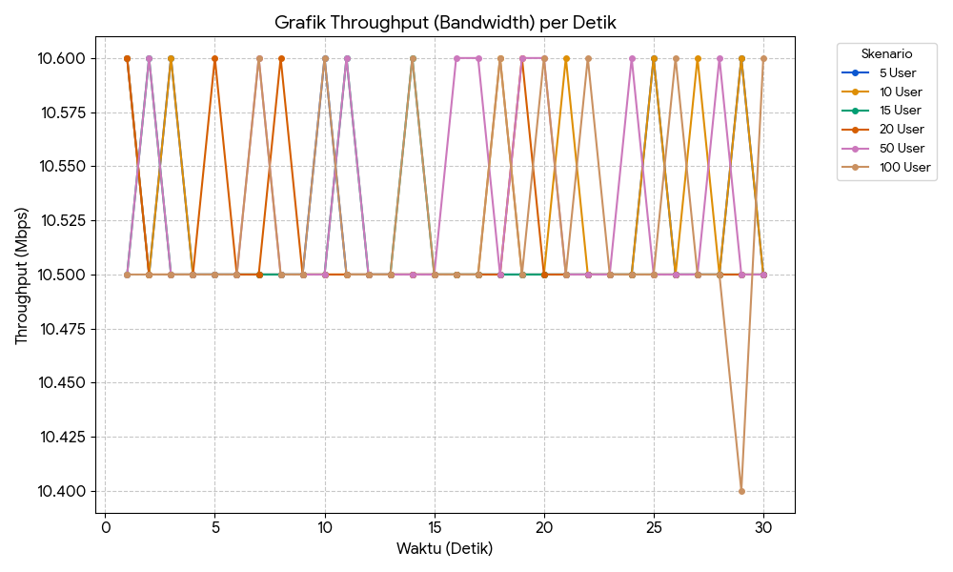
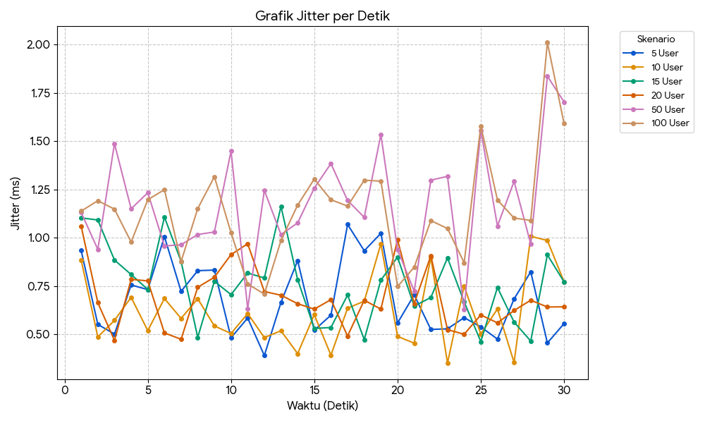
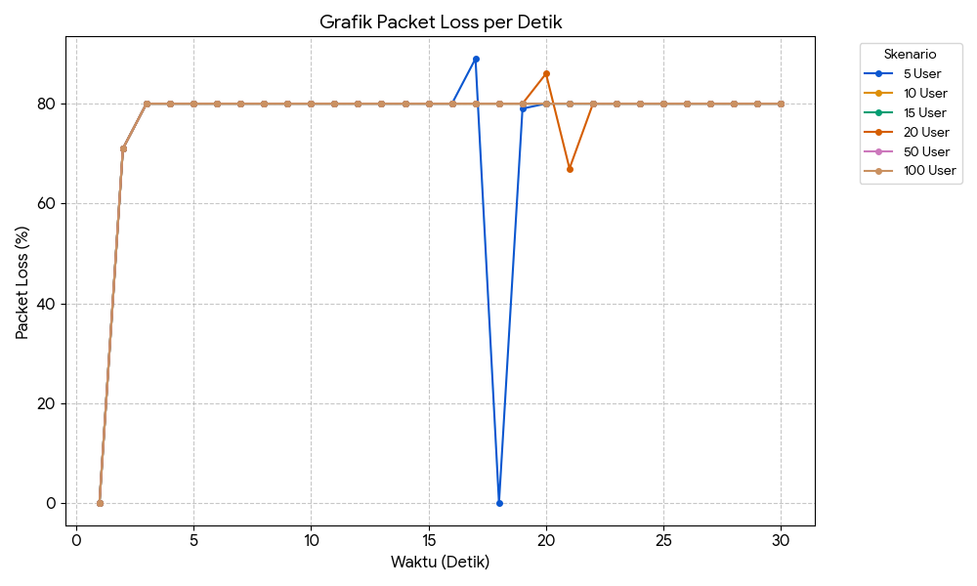
Jumlah User | Avg Latency (ms) | Max Latency (ms) | Packet Loss (Iperf) | Jitter (ms) | Out-of-Order
5 | 4.50 | 9.19 | 79% | 1.14 | Rendah
10 | 2025-05-05 | 8.64 | 79% | 0.90 | Rendah
15 | 2025-05-06 | 15.85 | 79% | 0.92 | Rendah
20 | 6.37 | 13.31 | 79% | 2025-06-01 | Sedang
50 | 32.14 | 119.67 | 79% | 1.54 | Tinggi
100 | 35.58 | 116.17 | 79% | 1.39 | Tinggi

Latency |  |  |  |  |  |  | BW |  |  |  |  |  |  | Jitter |  |  |  |  |  |  | Packet loss
Detik ke- | 5 User | 10 User | 15 User | 20 User | 50 User | 100 User | Detik ke- | 5 User | 10 User | 15 User | 20 User | 50 User | 100 User | Detik | 5 User | 10 User | 15 User | 20 User | 50 User | 100 User | Detik | 5 User | 10 User | 15 User | 20 User | 50 User | 100 User
1 | 9.19 | 8.64 | 15.9 | 13.3 | 120 | 116 | 1 | 10.6 | 10.6 | 10.5 | 10.6 | 10.5 | 10.5 | 1 | 0.934 | 0.885 | 1.103 | 1.06 | 1.131 | 1.138 | 1 | 0 | 0 | 0 | 0 | 0 | 0
2 | 3.68 | 4.18 | 5.59 | 5.59 | 38.1 | 40.3 | 2 | 10.5 | 10.5 | 10.6 | 10.5 | 10.6 | 10.5 | 2 | 0.552 | 0.487 | 1.092 | 0.664 | 0.94 | 1.192 | 2 | 71 | 71 | 71 | 71 | 71 | 71
3 | 3.65 | 5.92 | 5.8 | 6.34 | 28 | 35.5 | 3 | 10.6 | 10.6 | 10.5 | 10.5 | 10.5 | 10.5 | 3 | 0.502 | 0.573 | 0.885 | 0.469 | 1.487 | 1.148 | 3 | 80 | 80 | 80 | 80 | 80 | 80
4 | 6.81 | 5.19 | 5.66 | 4.56 | 26.4 | 34.3 | 4 | 10.5 | 10.5 | 10.5 | 10.5 | 10.5 | 10.5 | 4 | 0.756 | 0.692 | 0.81 | 0.785 | 1.15 | 0.978 | 4 | 80 | 80 | 80 | 80 | 80 | 80
5 | 8.29 | 4.28 | 5.54 | 5.68 | 27.5 | 43.4 | 5 | 10.5 | 10.5 | 10.5 | 10.6 | 10.5 | 10.5 | 5 | 0.732 | 0.52 | 0.733 | 0.777 | 1.233 | 1.197 | 5 | 80 | 80 | 80 | 80 | 80 | 80
6 | 4.29 | 5.64 | 5.08 | 6.39 | 32.3 | 30 | 6 | 10.5 | 10.5 | 10.5 | 10.5 | 10.5 | 10.5 | 6 | 1.006 | 0.686 | 1.107 | 0.508 | 0.958 | 1.249 | 6 | 80 | 80 | 80 | 80 | 80 | 80
7 | 5.24 | 5.14 | 4.87 | 4.82 | 30.6 | 35.7 | 7 | 10.5 | 10.5 | 10.5 | 10.5 | 10.6 | 10.6 | 7 | 0.723 | 0.583 | 0.878 | 0.475 | 0.964 | 0.877 | 7 | 80 | 80 | 80 | 80 | 80 | 80
8 | 4.19 | 4.46 | 7.3 | 8.09 | 28.7 | 36.5 | 8 | 10.5 | 10.5 | 10.5 | 10.6 | 10.5 | 10.5 | 8 | 0.83 | 0.685 | 0.485 | 0.744 | 1.017 | 1.151 | 8 | 80 | 80 | 80 | 80 | 80 | 80
9 | 3.89 | 5.48 | 6.31 | 5.2 | 29.2 | 42.5 | 9 | 10.5 | 10.5 | 10.5 | 10.5 | 10.5 | 10.5 | 9 | 0.833 | 0.544 | 0.775 | 0.796 | 1.03 | 1.316 | 9 | 80 | 80 | 80 | 80 | 80 | 80
10 | 4.62 | 4.72 | 8.31 | 5.3 | 28.5 | 36.9 | 10 | 10.6 | 10.5 | 10.5 | 10.5 | 10.5 | 10.6 | 10 | 0.483 | 0.505 | 0.706 | 0.913 | 1.448 | 1.026 | 10 | 80 | 80 | 80 | 80 | 80 | 80
11 | 4.01 | 3.9 | 6.95 | 5.33 | 29 | 29.7 | 11 | 10.5 | 10.5 | 10.6 | 10.5 | 10.6 | 10.5 | 11 | 0.585 | 0.608 | 0.818 | 0.969 | 0.634 | 0.761 | 11 | 80 | 80 | 80 | 80 | 80 | 80
12 | 3.56 | 6.29 | 5.09 | 6.53 | 31.3 | 38.3 | 12 | 10.5 | 10.5 | 10.5 | 10.5 | 10.5 | 10.5 | 12 | 0.391 | 0.484 | 0.792 | 0.722 | 1.245 | 0.709 | 12 | 80 | 80 | 80 | 80 | 80 | 80
13 | 3.99 | 3.83 | 5.38 | 6.34 | 27.1 | 31.3 | 13 | 10.5 | 10.5 | 10.5 | 10.5 | 10.5 | 10.5 | 13 | 0.666 | 0.519 | 1.162 | 0.703 | 1.017 | 0.986 | 13 | 80 | 80 | 80 | 80 | 80 | 80
14 | 5.11 | 3.92 | 5.74 | 7.91 | 31 | 36.2 | 14 | 10.5 | 10.5 | 10.6 | 10.5 | 10.5 | 10.6 | 14 | 0.882 | 0.401 | 0.784 | 0.659 | 1.077 | 1.169 | 14 | 80 | 80 | 80 | 80 | 80 | 80
15 | 3.86 | 5.24 | 7.81 | 5.94 | 28 | 33.1 | 15 | 10.5 | 10.5 | 10.5 | 10.5 | 10.5 | 10.5 | 15 | 0.522 | 0.602 | 0.531 | 0.631 | 1.257 | 1.304 | 15 | 80 | 80 | 80 | 80 | 80 | 80
16 | 3.32 | 7.53 | 6.89 | 5.73 | 29.4 | 33.2 | 16 | 10.5 | 10.5 | 10.5 | 10.5 | 10.6 | 10.5 | 16 | 0.6 | 0.393 | 0.536 | 0.68 | 1.384 | 1.197 | 16 | 80 | 80 | 80 | 80 | 80 | 80
17 | 4.04 | 4.45 | 4.38 | 5.29 | 28.9 | 34 | 17 | 10.5 | 10.5 | 10.5 | 10.5 | 10.6 | 10.5 | 17 | 1.069 | 0.636 | 0.704 | 0.492 | 1.193 | 1.164 | 17 | 89 | 80 | 80 | 80 | 80 | 80
18 | 3.67 | 5 | 4.52 | 5.12 | 25.7 | 30.1 | 18 | 10.5 | 10.6 | 10.5 | 10.5 | 10.5 | 10.6 | 18 | 0.933 | 0.672 | 0.474 | 0.677 | 1.106 | 1.298 | 18 | 0 | 80 | 80 | 80 | 80 | 80
19 | 3.35 | 4.4 | 4.2 | 7.24 | 28.2 | 26 | 19 | 10.5 | 10.5 | 10.5 | 10.6 | 10.6 | 10.5 | 19 | 1.023 | 0.969 | 0.781 | 0.631 | 1.534 | 1.293 | 19 | 79 | 80 | 80 | 80 | 80 | 80
20 | 4.78 | 3.81 | 4.29 | 6.49 | 32.2 | 26.3 | 20 | 10.5 | 10.5 | 10.5 | 10.5 | 10.6 | 10.6 | 20 | 0.559 | 0.49 | 0.9 | 0.99 | 0.94 | 0.748 | 20 | 80 | 80 | 80 | 86 | 80 | 80
21 | 3.84 | 5.22 | 5.11 | 7.28 | 27.5 | 28.9 | 21 | 10.5 | 10.6 | 10.5 | 10.5 | 10.5 | 10.5 | 21 | 0.705 | 0.455 | 0.647 | 0.66 | 0.724 | 0.848 | 21 | 80 | 80 | 80 | 67 | 80 | 80
22 | 4.95 | 4.33 | 4.62 | 7.2 | 28.5 | 30.4 | 22 | 10.5 | 10.5 | 10.5 | 10.5 | 10.5 | 10.6 | 22 | 0.526 | 0.899 | 0.691 | 0.907 | 1.298 | 1.089 | 22 | 80 | 80 | 80 | 80 | 80 | 80
23 | 3.8 | 4.45 | 7.7 | 7 | 27.1 | 28.3 | 23 | 10.5 | 10.5 | 10.5 | 10.5 | 10.5 | 10.5 | 23 | 0.529 | 0.352 | 0.896 | 0.525 | 1.318 | 1.048 | 23 | 80 | 80 | 80 | 80 | 80 | 80
24 | 4.11 | 5.14 | 4.51 | 5.17 | 26.7 | 34.1 | 24 | 10.5 | 10.5 | 10.5 | 10.5 | 10.6 | 10.5 | 24 | 0.587 | 0.75 | 0.669 | 0.501 | 0.628 | 0.871 | 24 | 80 | 80 | 80 | 80 | 80 | 80
25 | 6.35 | 5.25 | 6.4 | 5.37 | 26.1 | 30.3 | 25 | 10.6 | 10.6 | 10.5 | 10.5 | 10.5 | 10.5 | 25 | 0.539 | 0.502 | 0.463 | 0.601 | 1.557 | 1.579 | 25 | 80 | 80 | 80 | 80 | 80 | 80
26 | 3.6 | 6.11 | 4.47 | 4.64 | 28.3 | 27.3 | 26 | 10.5 | 10.5 | 10.5 | 10.5 | 10.5 | 10.6 | 26 | 0.476 | 0.632 | 0.743 | 0.56 | 1.061 | 1.196 | 26 | 80 | 80 | 80 | 80 | 80 | 80
27 | 4.03 | 4.57 | 5.03 | 8.37 | 27.8 | 29.6 | 27 | 10.5 | 10.6 | 10.5 | 10.5 | 10.5 | 10.5 | 27 | 0.684 | 0.355 | 0.564 | 0.624 | 1.292 | 1.102 | 27 | 80 | 80 | 80 | 80 | 80 | 80
28 | 3.52 | 4.89 | 5.46 | 6.31 | 30.8 | 25.9 | 28 | 10.5 | 10.5 | 10.5 | 10.5 | 10.6 | 10.5 | 28 | 0.824 | 1.008 | 0.466 | 0.677 | 0.968 | 1.09 | 28 | 80 | 80 | 80 | 80 | 80 | 80
29 | 3.58 | 4.7 | 6.23 | 4.54 | 31.1 | 31.3 | 29 | 10.6 | 10.6 | 10.5 | 10.5 | 10.5 | 10.4 | 29 | 0.456 | 0.986 | 0.912 | 0.642 | 1.836 | 2.011 | 29 | 80 | 80 | 80 | 80 | 80 | 80
30 | 3.6 | 4.85 | 6.39 | 7.98 | 30.3 | 31.9 | 30 | 10.5 | 10.5 | 10.5 | 10.5 | 10.5 | 10.6 | 30 | 0.556 | 0.773 | 0.772 | 0.643 | 1.703 | 1.591 | 30 | 80 | 80 | 80 | 80 | 80 | 80

